C3.A
Back to contents
 | Chart A: Reconciliation of ESA10 and GFS flows and stocks of unfunded pensions
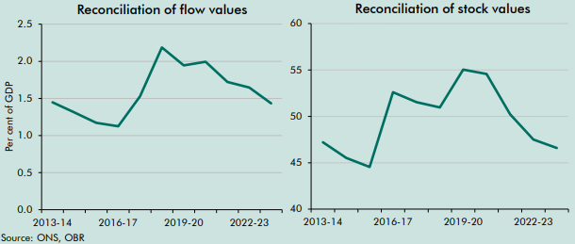

 |  | 2013-14 | 2014-15 | 2015-16 | 2016-17 | 2017-18 | 2018-19 | 2019-20 | 2020-21 | 2021-22 | 2022-23 | 2023-24
 | Flows as a share of GDP | 1.4 | 1.3 | 1.2 | 1.1 | 1.5 | 2.2 | 1.9 | 2.0 | 1.7 | 1.6 | 1.4

 |  | 2013-14 | 2014-15 | 2015-16 | 2016-17 | 2017-18 | 2018-19 | 2019-20 | 2020-21 | 2021-22 | 2022-23 | 2023-24
 | Stocks as a share of GDP | 47 | 46 | 45 | 53 | 52 | 51 | 55 | 55 | 50 | 48 | 47

C3.1
Back to contents
 | Chart 3.1: Drivers of year-on-year changes in the level of PSNFL
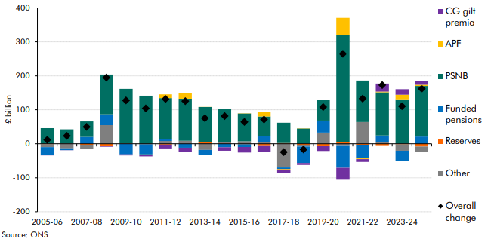

 |  | 2005-06 | 2006-07 | 2007-08 | 2008-09 | 2009-10 | 2010-11 | 2011-12 | 2012-13 | 2013-14 | 2014-15 | 2015-16 | 2016-17 | 2017-18 | 2018-19 | 2019-20 | 2020-21 | 2021-22 | 2022-23 | 2023-24 | 2024-25
 | CG gilt premia | -2.3 | -0.3 | -0.3 | -3.2 | -3.1 | -5.2 | -11.3 | -11.4 | -1.4 | -10.4 | -16.0 | -18.8 | -10.9 | -5.8 | -14.2 | -35.1 | -8.1 | 23.5 | 16.5 | 11.4
 | APF |  |  |  |  |  | -0.4 | 11.3 | 15.9 | 0.4 | 0.1 | 0.9 | 14.3 | -1.5 | 0.8 | 0.1 | 50.5 | -2.1 | 2.4 | 13.1 | 3.8
 | PSNB | 45.9 | 41.6 | 45.7 | 117.0 | 160.4 | 141.5 | 120.7 | 123.8 | 103.5 | 98.4 | 81.6 | 57.7 | 59.8 | 44.9 | 60.8 | 314.5 | 122.1 | 127.0 | 131.1 | 148.7
 | Funded pensions | -22.0 | -5.5 | 20.2 | 31.7 | -30.2 | -30.1 | 5.3 | -11.7 | -13.7 | -10.1 | -8.2 | 17.2 | -4.4 | -48.5 | 35.1 | -66.4 | -40.1 | 19.3 | -29.4 | 21.4
 | Reserves | -1.5 | 0.8 | -2.7 | -5.6 | -0.8 | -1.0 | -2.4 | 0.6 | 4.9 | 1.4 | -1.4 | -4.4 | 2.3 | -2.9 | -6.9 | 5.6 | -2.9 | -4.1 | -1.6 | -8.2
 | Other | -8.4 | -13.3 | -12.8 | 55.0 | 1.3 | -0.4 | 8.4 | 8.3 | -18.1 | 2.4 | 7.5 | 5.4 | -69.6 | -5.1 | 33.1 | -4.1 | 64.0 | 5.0 | -19.0 | -15.1
 | Overall change | 11.7 | 23.3 | 50.1 | 194.9 | 127.7 | 104.3 | 131.9 | 125.5 | 75.5 | 81.7 | 64.4 | 71.4 | -24.3 | -16.6 | 108.1 | 265.0 | 133.0 | 173.1 | 110.7 | 161.9

C3.2
Back to contents
 | Chart 3.2: Year-on-year changes in PSNFL by assets and liabilities
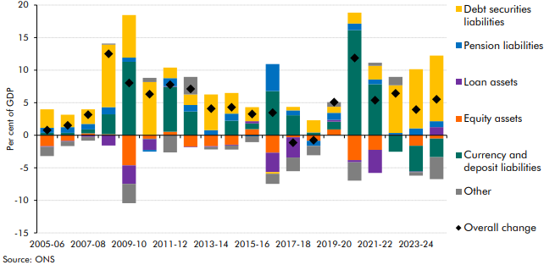

 |  | 2005-06 | 2006-07 | 2007-08 | 2008-09 | 2009-10 | 2010-11 | 2011-12 | 2012-13 | 2013-14 | 2014-15 | 2015-16 | 2016-17 | 2017-18 | 2018-19 | 2019-20 | 2020-21 | 2021-22 | 2022-23 | 2023-24 | 2024-25
 | Currency and deposit liabilities | 0.4 | 0.4 | 0.6 | 3.1 | 11.3 | -0.1 | 6.9 | 3.7 | 0.0 | 2.2 | 0.9 | 6.8 | 3.1 | 0.4 | 1.2 | 16.1 | 7.8 | -2.5 | -4.0 | -2.8
 | Debt securities liabilities | 2.8 | 1.9 | 2.2 | 9.6 | 6.5 | 8.2 | 1.6 | 1.6 | 5.5 | 3.2 | 2.2 | -0.2 | 0.5 | 1.9 | 0.9 | 1.7 | 2.1 | 7.3 | 9.1 | 10.1
 | Pension liabilities | 0.8 | 0.9 | 0.8 | 1.1 | 0.6 | -0.2 | 1.3 | 1.0 | 0.8 | 1.1 | -0.1 | 4.1 | 0.7 | -0.8 | 1.1 | 1.0 | 0.7 | 0.2 | 1.1 | 0.9
 | Loan assets | -0.1 | -0.1 | -0.2 | -1.6 | -2.9 | -1.6 | 0.1 | -0.1 | -0.1 | -0.1 | 0.3 | -3.0 | -3.1 | 0.0 | 0.3 | -0.3 | -3.5 | 0.1 | -0.1 | 1.2
 | Equity assets | -1.7 | -0.9 | 0.3 | 0.2 | -4.6 | -0.5 | 0.6 | -1.8 | -1.7 | -1.5 | 0.9 | -2.7 | -0.3 | -0.8 | 0.9 | -3.8 | -2.2 | 0.0 | -1.6 | -0.5
 | Other | -1.4 | -0.7 | -0.6 | 0.2 | -3.0 | 0.7 | -2.6 | 2.7 | -0.4 | -0.6 | -0.9 | -1.6 | -2.1 | -1.4 | 0.7 | -2.8 | 0.5 | 1.3 | -0.5 | -3.4
 | Overall change | 0.8 | 1.5 | 3.2 | 12.5 | 8.0 | 6.3 | 7.8 | 7.1 | 4.1 | 4.3 | 3.3 | 3.5 | -1.1 | -0.8 | 5.1 | 11.9 | 5.4 | 6.4 | 3.9 | 5.5

C3.B
Back to contents
 | Chart B: Comparing the average PSND forecast and outturn profile
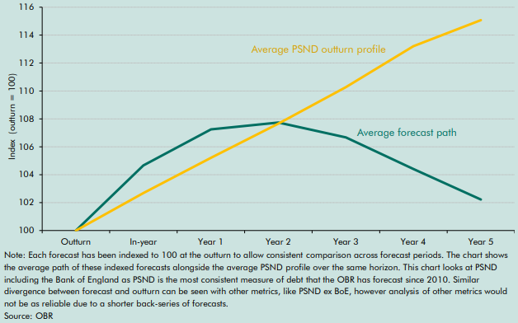

 |  | Outturn | In-year | Year 1 | Year 2 | Year 3 | Year 4 | Year 5
 | Average forecast path | 100 | 105 | 107 | 108 | 107 | 104 | 102
 | Average PSND profile | 100 | 103 | 105 | 108 | 110 | 113 | 115

C3.C
Back to contents
 | Chart C: Outturn and forecasts for public sector net debt excl. Bank of England
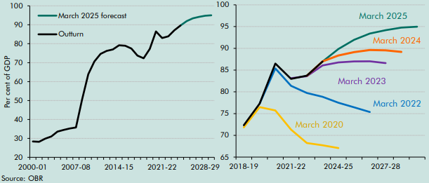

 | Date | 2000-01 | 2001-02 | 2002-03 | 2003-04 | 2004-05 | 2005-06 | 2006-07 | 2007-08 | 2008-09 | 2009-10 | 2010-11 | 2011-12 | 2012-13 | 2013-14 | 2014-15 | 2015-16 | 2016-17 | 2017-18 | 2018-19 | 2019-20 | 2020-21 | 2021-22 | 2022-23 | 2023-24 | 2024-25 | 2025-26 | 2026-27 | 2027-28 | 2028-29 | 2029-30
 | Outturn | 28.4 | 28.2 | 29.9 | 31.0 | 33.6 | 34.5 | 35.3 | 35.8 | 50.6 | 63.9 | 70.6 | 74.6 | 76.2 | 77.0 | 79.2 | 78.9 | 77.4 | 73.7 | 72.3 | 77.3 | 86.5 | 83.0 | 83.9 | 87.1 | 89.6
 | March 2025 forecast |  |  |  |  |  |  |  |  |  |  |  |  |  |  |  |  |  |  |  |  |  |  |  |  | 89.6 | 92.0 | 93.4 | 94.2 | 94.8 | 95.0

 | Forecast | 2018-19 | 2019-20 | 2020-21 | 2021-22 | 2022-23 | 2023-24 | 2024-25 | 2025-26 | 2026-27 | 2027-28 | 2028-29 | 2029-30
 | March 2020 forecast | 71.8 | 76.5 | 75.7 | 71.3 | 68.2 | 67.7 | 67.1
 | March 2022 forecast |  | 77.3 | 85.4 | 81.4 | 79.7 | 78.9 | 77.5 | 76.5 | 75.4
 | March 2023 forecast |  |  |  | 83.1 | 83.6 | 86.1 | 86.8 | 87.0 | 87.0 | 86.6
 | March 2024 forecast |  |  |  |  | 83.7 | 87.0 | 88.4 | 89.1 | 89.6 | 89.5 | 89.2
 | March 2025 forecast |  |  |  |  |  | 87.0 | 89.9 | 92.0 | 93.4 | 94.2 | 94.8 | 95.0
 | Outturn | 72.3 | 77.3 | 86.5 | 83.0 | 83.7 | 87.0

C3.3
Back to contents
 | Chart 3.3: Year-on-year change in PSNFL forecast as share of GDP
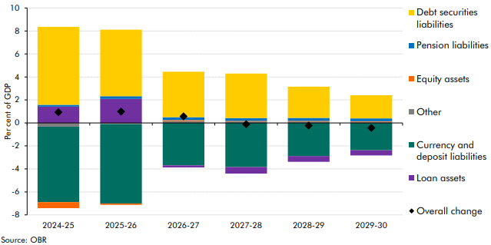

 |  | 2024-25 | 2025-26 | 2026-27 | 2027-28 | 2028-29 | 2029-30
 | Debt securities liabilities | 6.8 | 5.8 | 4.0 | 3.9 | 2.7 | 2.0
 | Pension liabilities | 0.2 | 0.2 | 0.2 | 0.2 | 0.2 | 0.2
 | Equity assets | -0.5 | -0.1 | 0.1 | 0.1 | 0.1 | 0.1
 | Other | -0.3 | -0.1 | 0.2 | 0.1 | 0.1 | 0.1
 | Currency and deposit liabilities | -6.6 | -6.9 | -3.7 | -3.8 | -2.9 | -2.4
 | Loan assets | 1.4 | 2.1 | -0.2 | -0.6 | -0.5 | -0.5
 | Overall change | 0.9 | 1.0 | 0.6 | -0.1 | -0.2 | -0.4

C3.4
Back to contents
 | Chart 3.4: Impact on PSNFL of 1 percentage point change in discount rate
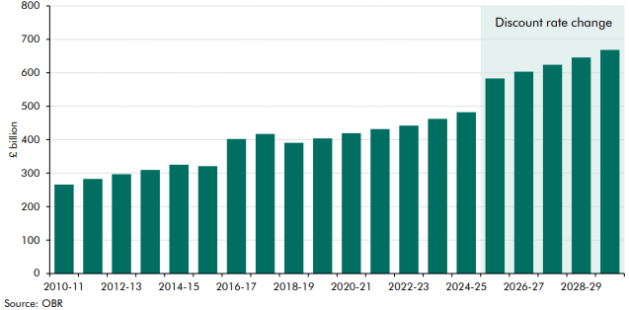

 |  | 2010-11 | 2011-12 | 2012-13 | 2013-14 | 2014-15 | 2015-16 | 2016-17 | 2017-18 | 2018-19 | 2019-20 | 2020-21 | 2021-22 | 2022-23 | 2023-24 | 2024-25 | 2025-26 | 2026-27 | 2027-28 | 2028-29 | 2029-30
 | Impact on PSNFL | 265.7 | 282.7 | 296.8 | 309.6 | 325.0 | 321.2 | 402.0 | 417.3 | 391.0 | 404.0 | 419.6 | 431.8 | 442.2 | 462.4 | 482.3 | 582.9 | 603.2 | 624.2 | 645.9 | 668.4

C3.5
Back to contents
 | Chart 3.5: Impact on PSNFL of 10 per cent fall in equity prices
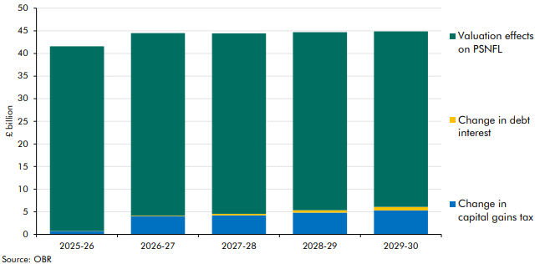

 |  | 2025-26 | 2026-27 | 2027-28 | 2028-29 | 2029-30
 | Valuation effects on PSNFL | 40.8 | 40.4 | 39.9 | 39.4 | 38.8
 | Change in debt interest | 0.0 | 0.1 | 0.3 | 0.5 | 0.8
 | Change in capital gains tax | 0.7 | 4.0 | 4.2 | 4.8 | 5.3

C3.6
Back to contents
 | Chart 3.6: Impact on PSNFL of 30 per cent fall in value of loan assets
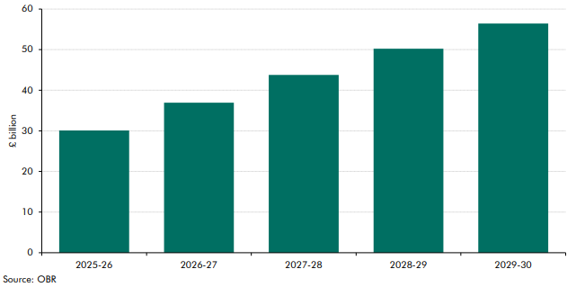

 | £ bn terms | 2025-26 | 2026-27 | 2027-28 | 2028-29 | 2029-30
 | PSNFL impact | 30.1 | 37.0 | 43.8 | 50.2 | 56.4

C3.7
Back to contents
 | Chart 3.7: PSNFL: sensitivity to shocks
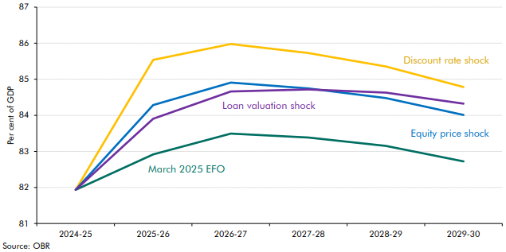

 | Per cent of GDP | 2024-25 | 2025-26 | 2026-27 | 2027-28 | 2028-29 | 2029-30
 | March 2025 EFO | 81.9 | 82.9 | 83.5 | 83.4 | 83.2 | 82.7
 | Discount rate shock | 81.9 | 85.5 | 86.0 | 85.7 | 85.4 | 84.8
 | Equity price shock | 81.9 | 84.3 | 84.9 | 84.7 | 84.5 | 84.0
 | Loan valuation shock | 81.9 | 83.9 | 84.7 | 84.7 | 84.6 | 84.3

C3.8
Back to contents
 | Chart 3.8: Contingent liabilities
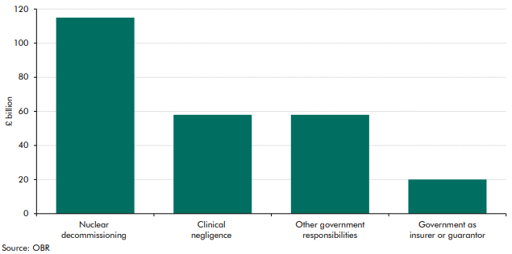

 |  | Contingent liabilities (£ billion)
 | Nuclear decommissioning | 115
 | Clinical negligence | 58
 | Other government responsibilities | 58
 | Government as insurer or guarantor | 20

C3.9
Back to contents
 | Chart 3.9: Expected expiry of contingent liabilities
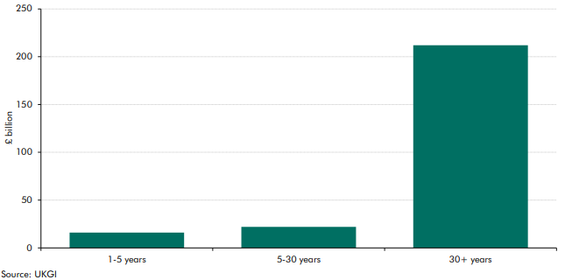

 |  | Years
 | 1-5 years | 16
 | 5-30 years | 22
 | 30+ years | 212

C3.10
Back to contents
 | Chart 3.10: Impact of water sector reclassification on PSNFL
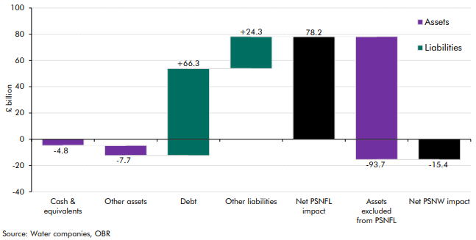

 |  | Individual impact | Net impact
 | Cash & equivalents | -4.8
 | Other assets | -7.7
 | Debt | 66.3
 | Other liabilities | 24.3
 | Net PSNFL impact |  | 78.2
 | Assets excluded from PSNFL | -93.7
 | Net PSNW impact |  | -15.4

C3.11
Back to contents
 | Chart 3.11: Impact of higher education sector reclassification on PSNFL
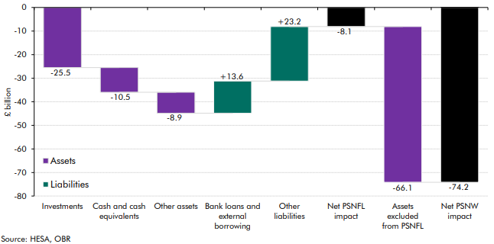

 |  | Individual impact | Net impact
 | Investments | -25.5
 | Cash and cash equivalents | -10.5
 | Other assets | -8.9
 | Bank loans and external borrowing | 13.6
 | Other liabilities | 23.2
 | Net PSNFL impact |  | -8.1
 | Assets excluded from PSNFL | -66.1
 | Net PSNW impact |  | -74.2

C3.12
Back to contents
 | Chart 3.12: Impact of financially vulnerable HE providers’ reclassification on PSNFL
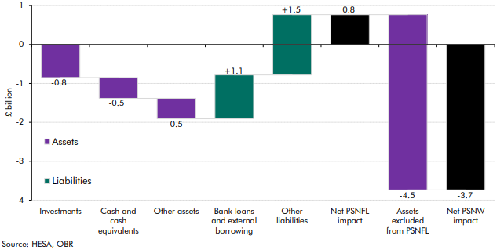

 |  | Individual impact | Net impact
 | Investments | -0.8
 | Cash and cash equivalents | -0.5
 | Other assets | -0.5
 | Bank loans and external borrowing | 1.1
 | Other liabilities | 1.5
 | Net PSNFL impact |  | 0.8
 | Assets excluded from PSNFL | 4.5
 | Net PSNW impact |  | -3.7

C3.13
Back to contents
 | Chart 3.13: Impact of housing associations' reclassification on PSNFL
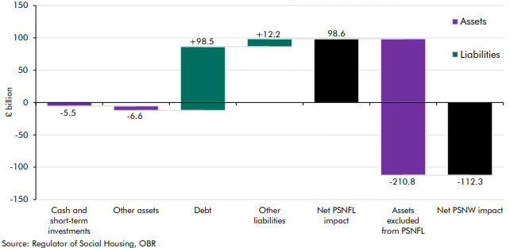

 |  | Individual impact | Net impact
 | Cash and cash equivalents | -5.5
 | Other assets | -6.6
 | Debt | 98.5
 | Other liabilities | 12.2
 | Net PSNFL impact |  | 98.6
 | Assets excluded from PSNFL | -210.8
 | Net PSNW impact |  | -112.3

